Sheet1
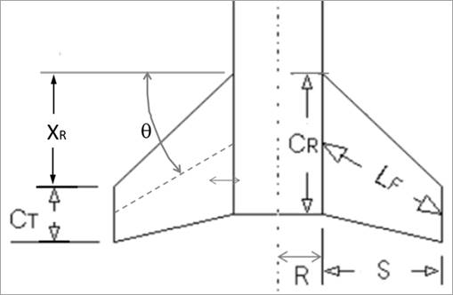
Key | Calculation of Max Drag |  |  | Normal Forces |  |  | Center of Pressure Locations |  |  | Lateral Acting Inertia Loads
Blue font is for defined/constraining values | Air Density | 0.0022 | slug/ft^3 | Fins: |  |  | Fins: |  |  | Fi
Black font is for iterated/guessed values | Burn Out V | 1106 | ft/s | q | 1345.5596 |  | Dist from tip of nosecone to start of fins (x_b) | 76 | in
Green font is for calculated values | Cd | 0.67 |  | Reference Area | 0.087263888889 |  | Cp location (x_f) | 78.954545455 | in
 | Diameter (d) | 4 | in | AOA | 0.175 | rad
 | Frontal Area | 0.087263888889 | ft^2 |  |  |  | Nosecone:
 | Force (Fd) | 78.670571497 | lbf | Number of Fins (N) | 4 |  | ??????
 |  |  |  | Diameter (d) | 4 | in
 |  |  |  | R | 2 | in
 |  |  |  | S | 4.5 | in
 |  |  |  | X_R | 3.5 | in
 |  |  |  | C_T | 3 | in
 |  |  |  | C_R | 8 | in
 |  |  |  | Theta | 12.528807709 | deg
 |  |  |  | L_F | 4.6097722286 | in
 |  |  |  | Slope of C_N | 11.489445324 | rad^-1

 |  |  |  | F_N for fins | 236.08838091 | lbf

 |  |  |  | Nosecone:
 |  |  |  | ??????

